Sheet1
Cumulative small group case study participation to date

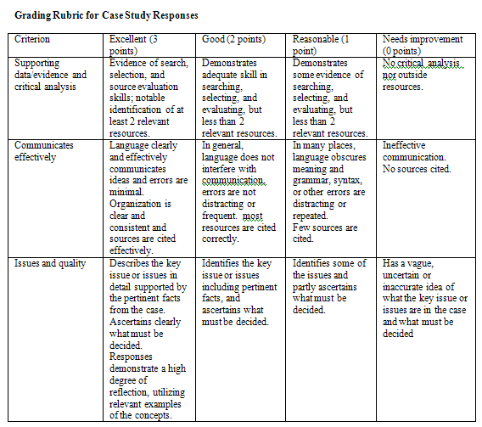

Rubric criterion | Unit
 | General Principles II | ANS I | ANS II | CV II | CNS I | CNS II | Antimicrobials II | Inflammation I | Blood & Endocrine | Immunotherapeutics
Supporting data/evidence and critical analysis
Communicates effectively
Issues and quality

Total from 9 rubric points |  |  |  |  |  |  |  |  |  | 0

Total mark from 2 marks |  |  |  |  |  |  |  |  |  | 0

Cumulative small group participation from 20

